General
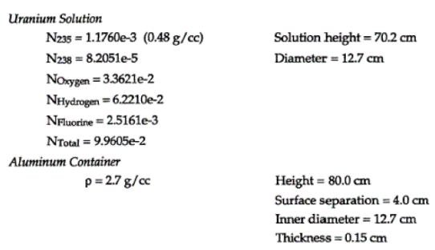
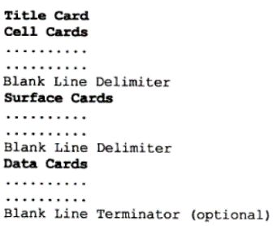
General Input File Format
 |  | mcnp6 cmd prompt
 |  | MCNP version | file name | file extension | multithread number
 |  | mcnp6 | Ex4-3 | .i | 19
 |  | cmd line | mcnp6 name=Ex4-3.i tasks 19

Problem Description
Details: | Repeated structures, two cylinders
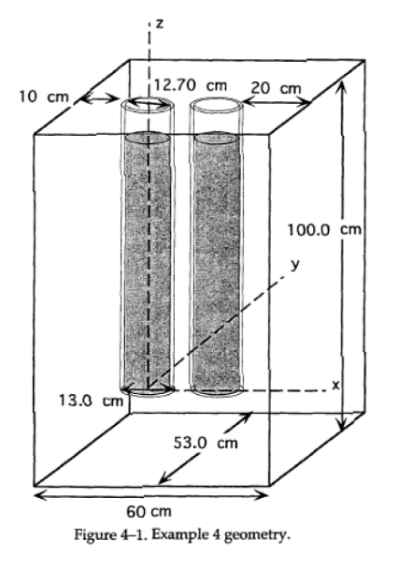
 |  | Description | Parameter | Value | Units
 |  | U235 density | N235 | 1.1760E-03 | g/cc
 |  |  | N238 | 8.2051E-05
 |  |  | N_Oxygen | 3.3621E-02
 |  |  | N_H2 | 6.2210E-02
 |  |  | N_F | 2.5161E-03
 |  |  | N_Total | 9.9605E-02
 |  |  | Al_density | 2.7000E+00 | g/cc
 |  | soln height | h_soln | 70.20 | cm
 |  | diameter | d | 12.70 | cm
 |  | casing height | h_case | 80.00 | cm
 |  | surface sep | h_sep | 4.00 | cm
 |  | Thickness | thickness | 0.15 | cm

Cell Cards
Cell Cards
Index |  |  |  |  |  |  |  | Params
Format
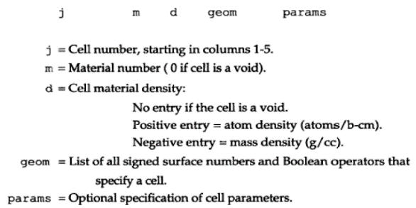

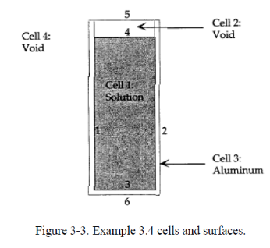

j | Comment | m | d | geom | params | importance | raw cell cards code
1 | $ canister | 1 | 0.099605 | -1 -4 5 | u=3 | imp:n=1 | 1 1 0.099605 -1 -4 5 u=3 imp:n=1 $ canister
2 | $ void region | 0 |  | -1 4 | u=3 | imp:n=1 | 2 0 -1 4 u=3 imp:n=1 $ void region
3 | $ Al container | 2 | -2.7 | 1:-5 | u=3 | imp:n=1 | 3 2 -2.7 1:-5 u=3 imp:n=1 $ Al container
4 |  | 0 |  | -2 -3 6 | fill=3 | imp:n=1 | 4 0 -2 -3 6 fill=3 imp:n=1
5 |  |  |  |  | like 4 but trcl (17 0 0) | imp:n=1 | 5 like 4 but trcl (17 0 0) imp:n=1
6 |  | 3 | -1.0 | 10 -11 8 -9 7 -3 #4 #5 |  | imp:n=1 | 6 3 -1.0 10 -11 8 -9 7 -3 #4 #5 imp:n=1
999 | $ void universe | 0 |  | -10:11:-8:9:-7:3 |  | imp:n=0 | 999 0 -10:11:-8:9:-7:3 imp:n=0 $ void universe

Vised
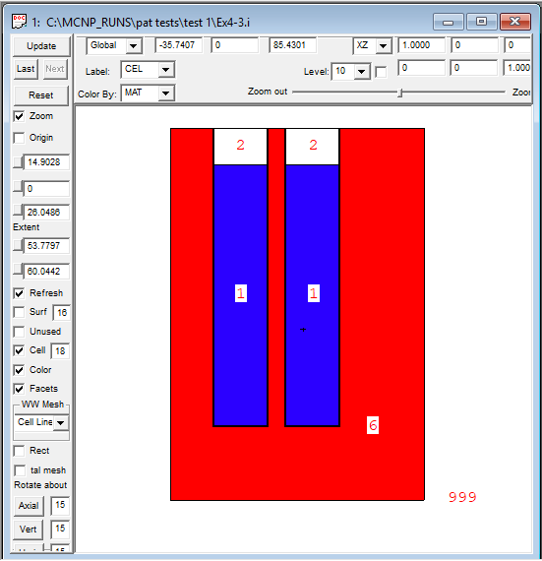
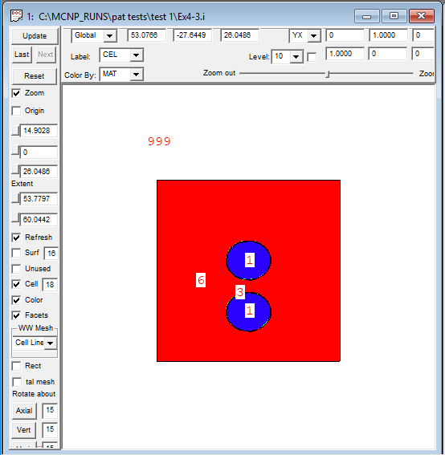
Vised
Index

Side View | Top View

